Sheet1
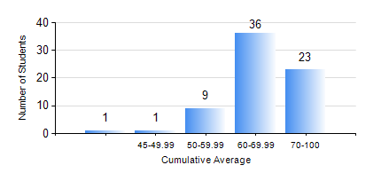
 |  |  | KWAME NKRUMAH UNIVERSITY OF SCIENCE AND TECHNOLOGY, KUMASI Department of Computer Engineering

 |  |  | BSC. BIOMEDICAL ENG.

 |  |  | COMPREHENSIVE RECORD OF EXAMINATION RESULTS

 |  |  | RESULTS OF YEAR 1 SECOND SEMESTER, 2019/2020 ACADEMIC YEAR

 | Sn | Course Code |  | Course Name | Credit Hours | Min. Mark | Max. Mark | Avg. Mark | Std. Dev. | No. Passed | No. Trailed | No. (Df) | No. (I) | No. (I*) | No. Tagged(I,I*,Df) | Total
 | 1. | COE 152 |  | BASIC ELECTRONICS | 3 | 45 | 91 | 69 | 12.94 | 69 | 0 | 0 | 1 | 0 | 1 | 70
 | 2. | COE 158 |  | INTRODUCTION TO INFORMATION TECHNOLOGY | 2 | 40 | 85 | 66 | 9.17 | 68 | 0 | 0 | 2 | 0 | 2 | 70
 | 3. | EE 156 |  | ELECTRICAL ENGINEERING DRAWING | 2 | 54 | 96 | 74 | 8.68 | 70 | 0 | 0 | 0 | 0 | 0 | 70
 | 4. | ENGL 158 |  | COMMUNICATION SKILLS II | 2 | 49 | 100 | 78 | 11.48 | 64 | 0 | 0 | 6 | 0 | 6 | 70
 | 5. | MATH 152 |  | CALCULUS WITH ANALYSIS | 4 | 48 | 93 | 80 | 8.74 | 67 | 0 | 0 | 3 | 0 | 3 | 70
 | 6. | PHY 154 |  | PROPERTIES OF MATTER | 2 | 59 | 89 | 72 | 7.24 | 66 | 0 | 0 | 4 | 0 | 4 | 70
 | 7. | SOC 152 |  | INTRODUCTION TO SOCIOLOGY | 3 | 40 | 75 | 55 | 8.19 | 65 | 0 | 0 | 5 | 0 | 5 | 70
 | 8. | SSN 166 |  | BIOCHEMISTRY | 2 | 49 | 86 | 67 | 9.36 | 68 | 0 | 0 | 2 | 0 | 2 | 70

